Sheet1
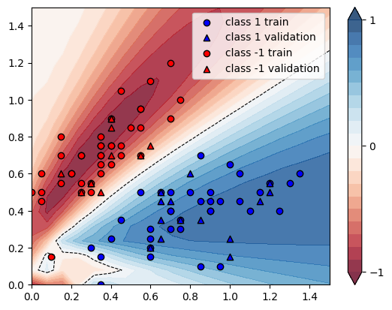
X | Y | conf_60 | guess_60 | conf_100 | guess_100 | increment
[0.4 0.75] | -1 | 0.9556 | Ok | 1.0129 | Ok | 0.059962327334
[0.3 0.5] | -1 | 0.7407 | Ok | 0.7308 | Ok | -0.013365735115
[0.2 0.6] | -1 | 0.9874 | Ok | 1.0498 | Ok | 0.06319627304
[0.15 0.55] | -1 | 0.98 | Ok | 1.045 | Ok | 0.066326530612
[0.35 0.8 ] | -1 | 0.9842 | Ok | 1.051 | Ok | 0.067872383662
[0.55 0.95] | -1 | 0.9598 | Ok | 1.0225 | Ok | 0.065326109606
[0.15 0.7 ] | -1 | 0.8524 | Ok | 0.9416 | Ok | 0.10464570624
[0.35 0.7 ] | -1 | 0.9605 | Ok | 1.016 | Ok | 0.057782404997
[0.05 0.45] | -1 | 0.9179 | Ok | 0.9992 | Ok | 0.088571739841
[0.3 0.55] | -1 | 0.8378 | Ok | 0.8571 | Ok | 0.02303652423
[0.55 0.85] | -1 | 0.9014 | Ok | 0.958 | Ok | 0.062791213668
[0.25 0.7 ] | -1 | 0.9799 | Ok | 1.0491 | Ok | 0.070619450964
[0.25 0.5 ] | -1 | 0.8444 | Ok | 0.8542 | Ok | 0.011605873993
[0. 0.5] | -1 | 0.7336 | Ok | 0.8352 | Ok | 0.13849509269
[0.75 1. ] | -1 | 0.8478 | Ok | 0.904 | Ok | 0.066289219155
[0.7 1.2] | -1 | 0.94 | Ok | 1.0063 | Ok | 0.070531914894
[0.55 0.95] | -1 | 0.9598 | Ok | 1.0225 | Ok | 0.065326109606
[0.4 0.75] | -1 | 0.9556 | Ok | 1.0129 | Ok | 0.059962327334
[0.7 0.9] | -1 | 0.7936 | Ok | 0.8451 | Ok | 0.064894153226
[0.4 0.9] | -1 | 0.9679 | Ok | 1.0376 | Ok | 0.072011571443
[0.55 0.7 ] | -1 | 0.6873 | Ok | 0.7159 | Ok | 0.04161210534
[0.4 0.85] | -1 | 0.9819 | Ok | 1.0481 | Ok | 0.067420307567
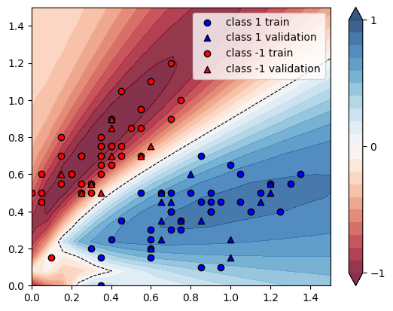
[0.15 0.8 ] | -1 | 0.7497 | Ok | 0.8464 | Ok | 0.1289849273
[0.4 0.65] | -1 | 0.8373 | Ok | 0.8743 | Ok | 0.044189657232
[0.25 0.7 ] | -1 | 0.9799 | Ok | 1.0491 | Ok | 0.070619450964
[0.35 0.5 ] | -1 | 0.6371 | Ok | 0.6094 | Ok | -0.04347826087
[0.35 0.7 ] | -1 | 0.9605 | Ok | 1.016 | Ok | 0.057782404997
[0.45 0.75] | -1 | 0.9061 | Ok | 0.9589 | Ok | 0.058271713939
[0.45 0.7 ] | -1 | 0.8402 | Ok | 0.8834 | Ok | 0.051416329445
[0.2 0.6] | -1 | 0.9874 | Ok | 1.0498 | Ok | 0.06319627304
[0.25 0.55] | -1 | 0.922 | Ok | 0.9564 | Ok | 0.037310195228
[0.55 0.7 ] | -1 | 0.6873 | Ok | 0.7159 | Ok | 0.04161210534
[0.45 1.05] | -1 | 0.9152 | Ok | 0.9904 | Ok | 0.082167832168
[0.6 1.1] | -1 | 0.9531 | Ok | 1.0202 | Ok | 0.070401846606
[0.3 0.55] | -1 | 0.8378 | Ok | 0.8571 | Ok | 0.02303652423
[0.35 0.6 ] | -1 | 0.836 | Ok | 0.8648 | Ok | 0.034449760766
[0.6 0.75] | -1 | 0.7018 | Ok | 0.7379 | Ok | 0.051439156455
[0.3 0.55] | -1 | 0.8378 | Ok | 0.8571 | Ok | 0.02303652423
[0.05 0.5 ] | -1 | 0.8662 | Ok | 0.956 | Ok | 0.10367120757
[0.4 0.7] | -1 | 0.9082 | Ok | 0.9579 | Ok | 0.054723629157
[0.35 0.75] | -1 | 0.984 | Ok | 1.046 | Ok | 0.063008130081
[0.1 0.15] | -1 | 0.4947 | Error | 0.548 | Ok | 0.1077420659
[0.05 0.6 ] | -1 | 0.7512 | Ok | 0.8516 | Ok | 0.13365282215
[0.35 0.75] | -1 | 0.984 | Ok | 1.046 | Ok | 0.063008130081
[0.4 0.9] | -1 | 0.9679 | Ok | 1.0376 | Ok | 0.072011571443
[0.25 0.5 ] | -1 | 0.8444 | Ok | 0.8542 | Ok | 0.011605873993
[0.4 0.9] | -1 | 0.9679 | Ok | 1.0376 | Ok | 0.072011571443
[0.15 0.6 ] | -1 | 0.9517 | Ok | 1.0272 | Ok | 0.079331722181
[0.5 0.85] | -1 | 0.945 | Ok | 1.0045 | Ok | 0.062962962963
[0.35 0.65] | -1 | 0.9109 | Ok | 0.9563 | Ok | 0.049840816775
[1.35 0.6 ] | 1 | 0.922 | Ok | 0.9006 | Ok | -0.023210412148
[1.05 0.6 ] | 1 | 0.8695 | Ok | 0.8735 | Ok | 0.0046003450259
[1.3 0.55] | 1 | 0.9309 | Ok | 0.9076 | Ok | -0.025029541304
[0.6 0.15] | 1 | 0.7453 | Ok | 0.7497 | Ok | 0.0059036629545
[1.1 0.4] | 1 | 0.9411 | Ok | 0.9099 | Ok | -0.033152693656
[0.7 0.4] | 1 | 0.8769 | Ok | 0.8983 | Ok | 0.024404150986
[1. 0.65] | 1 | 0.8153 | Ok | 0.8223 | Ok | 0.0085857966393
[0.3 0.2] | 1 | 0.6998 | Ok | 0.7495 | Ok | 0.071020291512
[1.15 0.45] | 1 | 0.9391 | Ok | 0.9132 | Ok | -0.027579597487
[0.45 0.35] | 1 | 0.7814 | Ok | 0.8283 | Ok | 0.060020476069
[0.35 0. ] | 1 | 0.6534 | Ok | 0.6425 | Ok | -0.016681971227
[0.8 0.5] | 1 | 0.8502 | Ok | 0.8768 | Ok | 0.031286756057
[0.85 0.1 ] | 1 | 0.7543 | Ok | 0.7214 | Ok | -0.04361659817
[0.9 0.45] | 1 | 0.9084 | Ok | 0.9117 | Ok | 0.0036327608983
[0.65 0.45] | 1 | 0.815 | Ok | 0.8588 | Ok | 0.053742331288
[1.2 0.55] | 1 | 0.9211 | Ok | 0.9066 | Ok | -0.015742047552
[0.65 0.5 ] | 1 | 0.7643 | Ok | 0.8109 | Ok | 0.060970822975
[0.75 0.35] | 1 | 0.9126 | Ok | 0.9089 | Ok | -0.0040543502082
[0.95 0.1 ] | 1 | 0.7814 | Ok | 0.7367 | Ok | -0.057205016637
[0.65 0.25] | 1 | 0.8954 | Ok | 0.8799 | Ok | -0.017310699129
[0.8 0.6] | 1 | 0.7576 | Ok | 0.7805 | Ok | 0.030227032735
[0.9 0.4] | 1 | 0.9242 | Ok | 0.915 | Ok | -0.0099545552911
[1. 0.25] | 1 | 0.9134 | Ok | 0.8635 | Ok | -0.054631048829
[0.9 0.4] | 1 | 0.9242 | Ok | 0.915 | Ok | -0.0099545552911
[1.05 0.45] | 1 | 0.931 | Ok | 0.9155 | Ok | -0.016648764769
[1.15 0.5 ] | 1 | 0.9296 | Ok | 0.9127 | Ok | -0.018179862306
[1.25 0.4 ] | 1 | 0.9449 | Ok | 0.9014 | Ok | -0.046036617631
[1.2 0.5] | 1 | 0.934 | Ok | 0.9123 | Ok | -0.023233404711
[0.85 0.45] | 1 | 0.8968 | Ok | 0.9074 | Ok | 0.011819803747
[0.7 0.3] | 1 | 0.9127 | Ok | 0.9003 | Ok | -0.013586063329
[0.6 0.2] | 1 | 0.8386 | Ok | 0.8327 | Ok | -0.0070355354162
[0.6 0.2] | 1 | 0.8386 | Ok | 0.8327 | Ok | -0.0070355354162
[0.75 0.35] | 1 | 0.9126 | Ok | 0.9089 | Ok | -0.0040543502082
[0.85 0.35] | 1 | 0.9269 | Ok | 0.9101 | Ok | -0.018124932571
[0.55 0.5 ] | 1 | 0.6729 | Ok | 0.7274 | Ok | 0.080992718086
[0.85 0.7 ] | 1 | 0.6696 | Ok | 0.6715 | Ok | 0.0028375149343
[1.2 0.55] | 1 | 0.9211 | Ok | 0.9066 | Ok | -0.015742047552
[1. 0.15] | 1 | 0.8424 | Ok | 0.7895 | Ok | -0.06279677113
[0.65 0.5 ] | 1 | 0.7643 | Ok | 0.8109 | Ok | 0.060970822975
[0.6 0.25] | 1 | 0.889 | Ok | 0.8802 | Ok | -0.0098987626547
[0.6 0.3] | 1 | 0.8947 | Ok | 0.8956 | Ok | 0.0010059237733
[0.9 0.5] | 1 | 0.8851 | Ok | 0.8977 | Ok | 0.014235679584
[0.75 0.3 ] | 1 | 0.9185 | Ok | 0.9 | Ok | -0.020141535112
[0.35 0.15] | 1 | 0.5439 | Ok | 0.6123 | Ok | 0.12575841147
[0.65 0.35] | 1 | 0.8881 | Ok | 0.8998 | Ok | 0.013174192095
[0.7 0.5] | 1 | 0.7986 | Ok | 0.8391 | Ok | 0.050713749061
[0.7 0.45] | 1 | 0.8423 | Ok | 0.8773 | Ok | 0.041552890894
[0.95 0.45] | 1 | 0.9177 | Ok | 0.9143 | Ok | -0.0037049144601
[0.4 0.25] | 1 | 0.8367 | Ok | 0.8561 | Ok | 0.023186327238
[0.7 0.4] | 1 | 0.8769 | Ok | 0.8983 | Ok | 0.024404150986
 |  |  |  |  | AVG | 0.032436249769

